INtro
https://www.guru99.com/selenium-tutorial.html
During Selenium's development, another automated testing framework was popular made by the company called Mercury Interactive
Selenium is a well-known antidote for Mercury poisoning, ... it is a suite of open source tool s

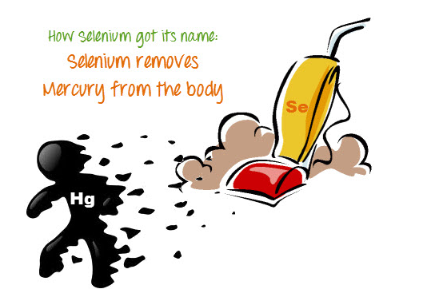

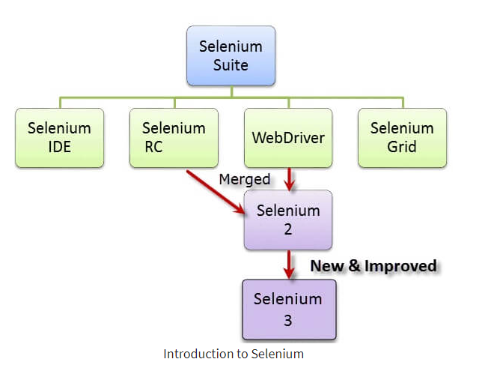

Selenium Integrated Development Environment (IDE) => simple Firefox plug-in1
BUT ... more for prototyping ... very simle. . . want to create more advanced test cases => use Selenium RC or WebDriver.

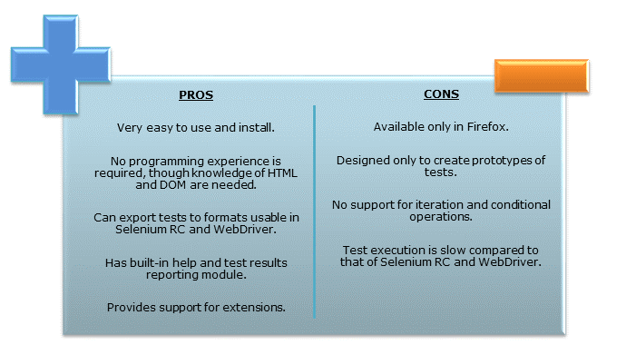

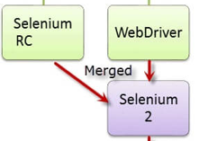
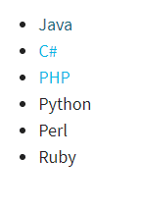
use programming languages in creating complex tests.

Selenium Remote Control (Selenium RC) - . AKA Selenium
Automated web testing that supports various languages:

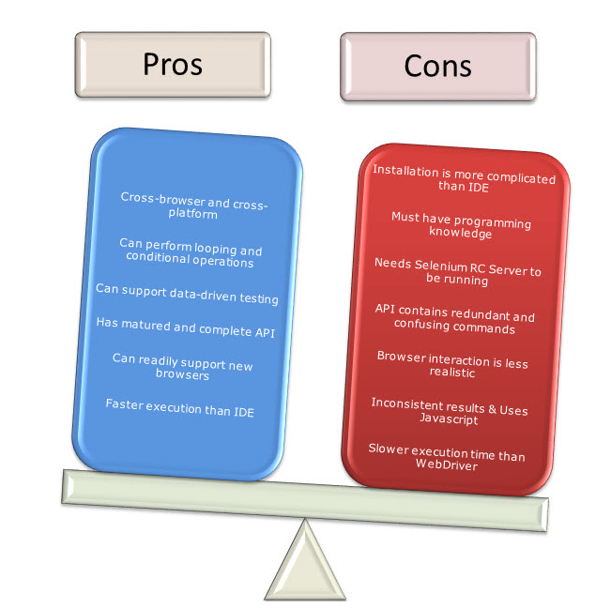

Selenium Web Driver =>
unlike Selenium RC, does not rely on JavaScript for Selenium Automation Testing. It controls the browser by directly communicating with it.
"Better than RC" - newer breakthrough that allows your test scripts to communicate directly to the browser, thereby controlling it from the OS level.

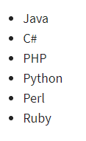
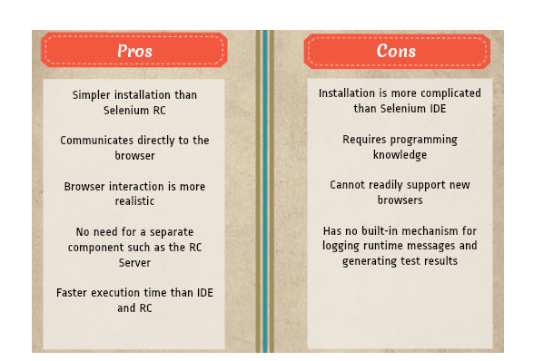

Selenium Grid=>
Used with "RC" to run parrellel test across different browesers at same time.

Sheet2
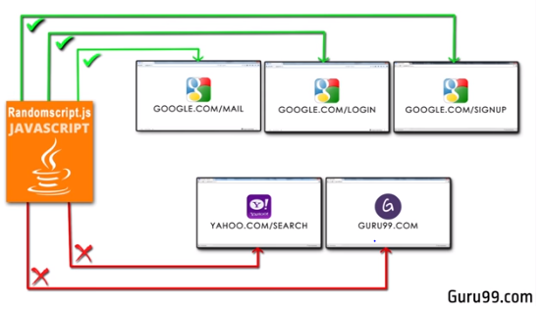
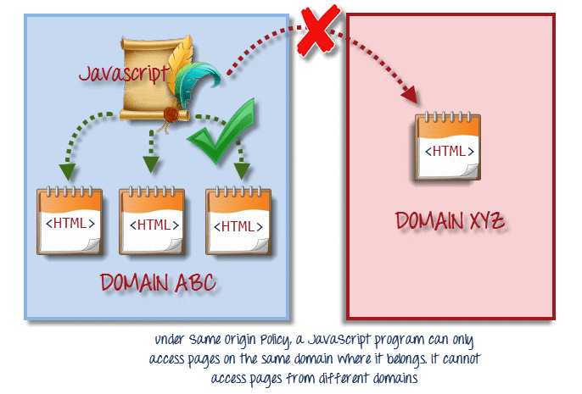
https://www.guru99.com/introduction-to-selenium.html#2
Same Origin Policy
JS code can only access elements from within its domain
E.g., Google.coom uses a library called Randomscript.js ... it can access other html files
w/i its domain ... but yahoo.com/seach cann not be accessed

